q2
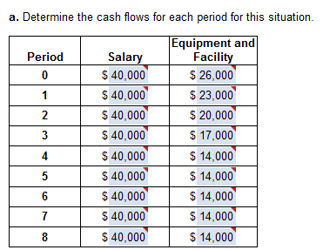

N: | S: | Eq | T | F/p | f:
0 | 40000 | 26000 | 66000 | 1.8509302103 | 122,161 | i: | 8%
1 | 40000 | 23000 | 63000 | 1.7138242688 | 107,971
2 | 40000 | 20000 | 60000 | 1.5868743229 | 95,212
3 | 40000 | 17000 | 57000 | 1.4693280768 | 83,752
4 | 40000 | 14000 | 54000 | 1.36048896 | 73,466
5 | 40000 | 14000 | 54000 | 1.259712 | 68,024
6 | 40000 | 14000 | 54000 | 1.1664 | 62,986
7 | 40000 | 14000 | 54000 | 1.08 | 58,320
8 | 40000 | 14000 | 54000 | 1 | 54,000

 |  |  | FW: | 725,893

q4
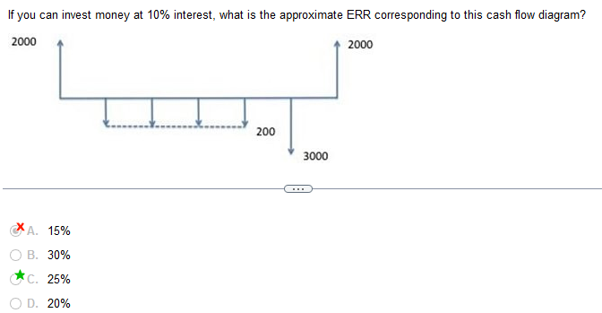
i: | 10% | N: | 6

FW in marr: |  | 4423.122 |  |  |  |  |  | PW out: | 4771.2091201
A: | 200 | f/a: | 4.641 | f/p: | 1.21 | F: | 1123.122 | p/a: | 3.7907867694
F: | 3000 | f/p: | 1.10 | f: | 3300 |  |  | p/f: | 0.62092132306

FW out: |  |  |  |  | PW in: | 3128.9478601
A: | 2000 |  |  |  | P: | 2000 | p/f: | 0.56447393005

2.211561 |  |  |  |  | i: | -0.068

q6
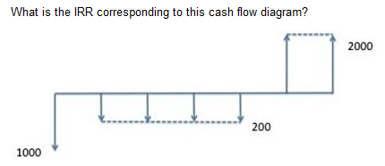

-1000
-200
-200
-200
-200
2000
2000

19%

q8
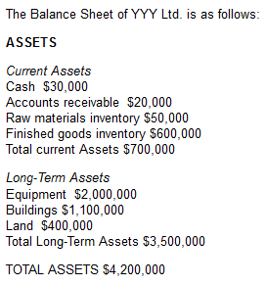
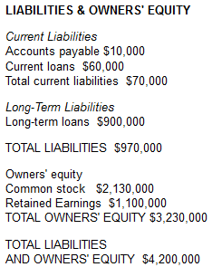

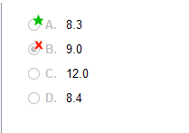

sales: | 5,400,000

total current a: | 700,000 | cash: | 30,000 | receivables: | 20,000 | raw mat: | 50,000

T finished goods: | 600,000

ratio: | 9.00

q21
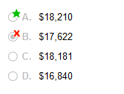
 | marr: | 10%

yr | SV | Main | EAC | p/f:
1 | 28900 | 3000 | 33558
2 | 22670 | 6000 | 21921
3 | 15300 | 12000 | ?
4 | 11280 | 24000 | 15482
5 | 7800 | 48000 | 13701

 | 62458 | 47158 | I for 3 yr: | 2.74
 |  | 17210.948905

q24
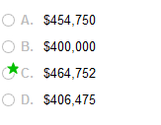
# of truck: | 10
market $ | 50000
wages: | 390000
maint: | 10000
marr: | 5%
N | 10

a/p: | 0.12950457497
aw: | 464752.28748

